Wedding Timeline Planner

TEST SCENARIOS - MAKE MY TRIP(FLIGHT)

 |  |  |  | DONE?
 | Test Scenarios:


 | 1.Test Scenarios to create account on make my trip applicatio: | @ | Open the website and create account on make my trip applicatio.
 |  | @ | Enter the phone number and email address to create account.

 |  | @ | Enter the OTP for verification details

 | 2.Test Scenarios to book a flight ticket in make my trip: | @ | Checking one way-trip : Searching for flights.
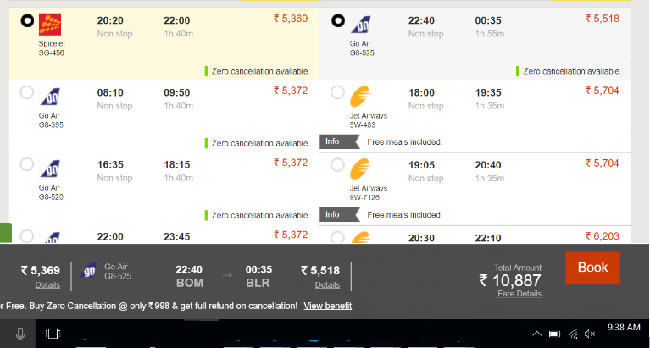

 |  | @ | Arrival: From Source to Destination.

 |  | @ | Departure : Select date from date picker.

 |  | @ | Search for flights.

 | 3.Test Scenarios to conformation of seats on that way: | @ | To check weather the seat was confrimed or not.
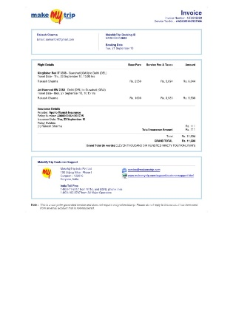
 |  | @ | Sometimes may be the seats are in waiting list.

 |  | @ | Check the seats and no of seats.

 | 4. Test Scenarios to Payments on tickets: | @ | Payment mode : Online banking.

 |  | @ | Check the details of payment and amount.

 |  | @ | Enter card details of payment and amount.

 |  | @ | Apply on special offers on that day.

 | 5. Test Scenarios to message received: | @ | After conformation tickets and payment.

 |  | @ | We get conformation mail or SMS to contact details.



 | 6.Test Scenarios to Cancelation of tickets: | @ | Select the tickets and cancel the tickets.


 |  | @ | Tickets will be cancelled.

 |  | @ | Amount will be refunded in few days.

